ANNEX_2
ANNEX 2 : BASIC TOOLS AND THEIR REFERENCE STANDARDS

According to the European Standard NF EN 45554 "General methods for the assessment of the ability to repair, reuse and upgrade energy-related products", 2020.

Tool type | Illustration | Reference
 | (informative example)
Screwdriver for slotted heads, cross recess or for hexalobular recess heads |  | ISO 2380, ISO 8764, ISO 10664
Hexagon socket key | 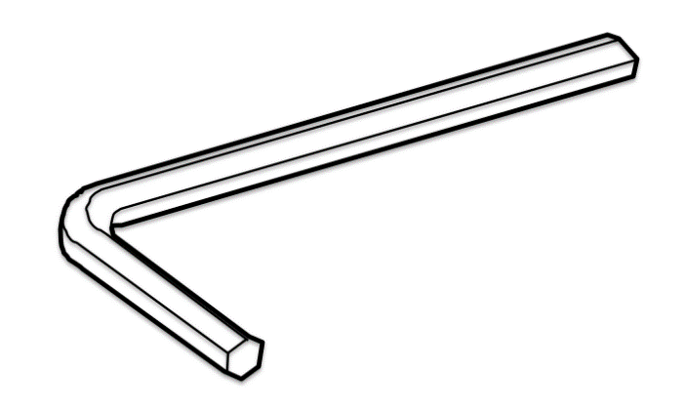 | ISO 2936
Combination wrench |  | ISO 7738
Combination pliers | 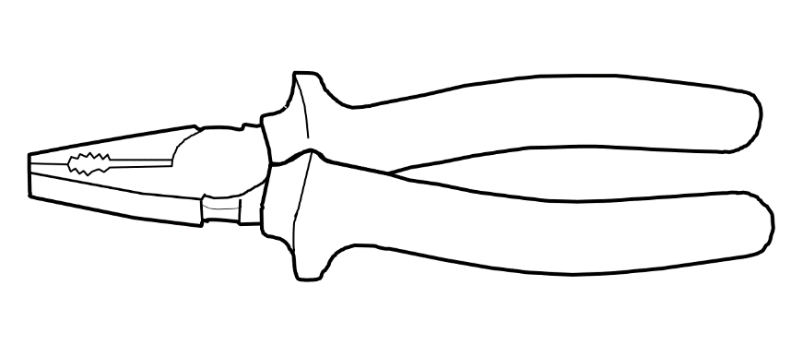 | ISO 5746
Half round nose pliers |  | ISO 5745
Diagonal cutters | 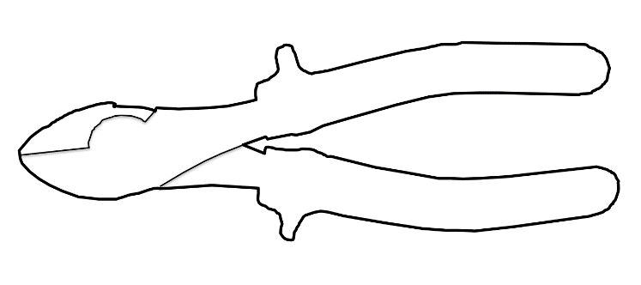 | ISO 5749
Multigrip pliers (multiple slip joint pliers) |  | ISO 8976
Locking pliers
Combination pliers for wire stripping and terminal crimping
Prying lever
Tweezers
Hammer, steel head |  | ISO 15601
Utility knife (cutter) with snap-off blades
Multimeter | 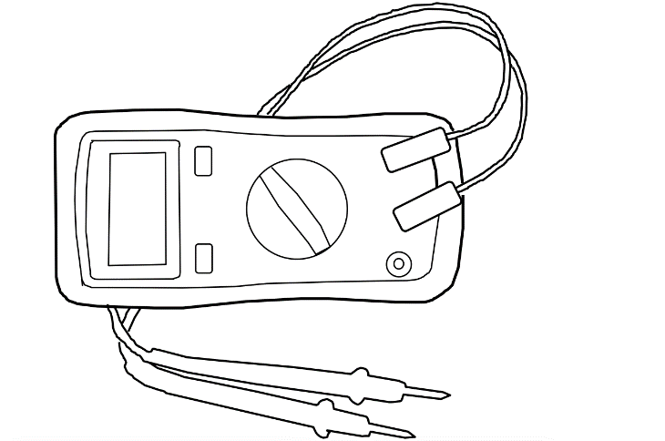
Voltage tester
Soldering iron
Hot glue gun | 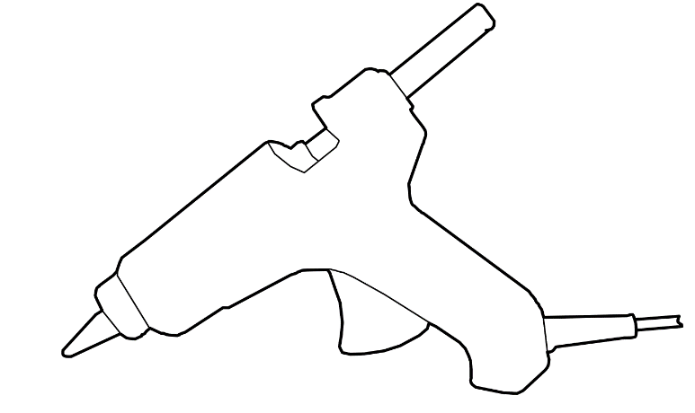
Magnifying glass | 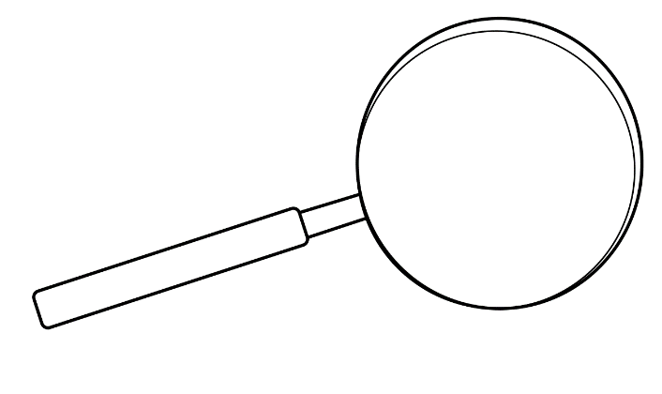

ANNEX_3
ANNEX 3 : DETAILS ABOUT THE CONCEPT OF DISASSEMBLY STEP AND APPLICATION CASE

